A. NEC POS Package
NEC POS Package
General Merchandise (GM)
TWINPOS G5100Li | Processor | Core i5-6500TE
 | RAM | 8GB
 | Storage | Primary (SSD) 256GB
 |  | Secondary (SSD) 128GB
 | Wi-Fi | M2 Slot
 | 2nd LCD | 10 inch
 | Camera + Camera on 2nd LCD
 | MSR
UPS | Included
Receipt Printer | Included
Cash Drawer | Included
2D Scanner | Included
Software | General Merchandise (GM) POS software
 | Trend Micro Deep Security - Malware Prevention - per Non-Server System (Kiosk/POS)

< Back to form

NEC TWINPOS G5100Li
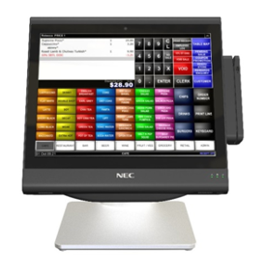
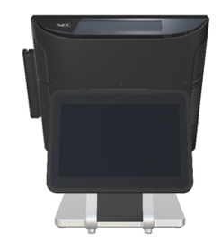
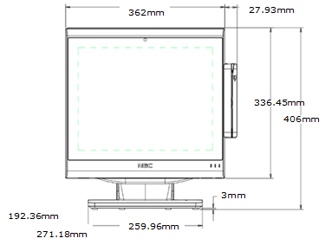

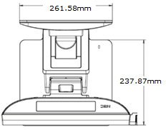
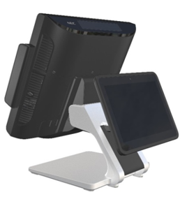
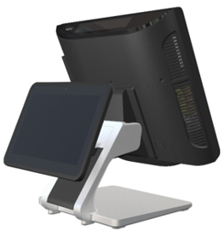

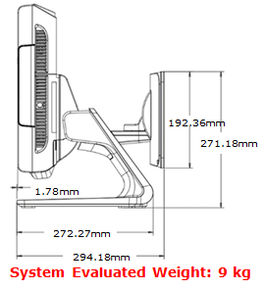

JEWEL POS Connection

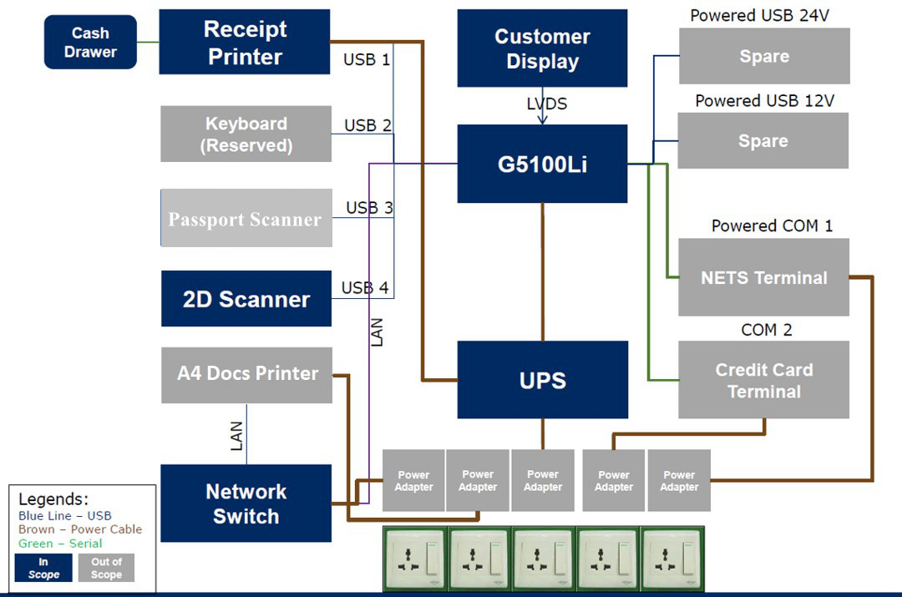

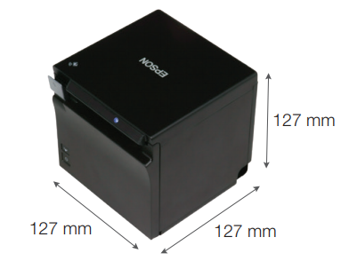
Printer
Epson TM-m30
Printing Method |  | Thermal line printing
Overall Dimensions (W X D X H) |  | 127 x 127 x 127 mm
Mass (Approx.) |  | 1200 g {2.64 lb}
Paper Dimensions (mm) |  | Roll paper: 79.5 ± 0.5 (W) × Dia. 83
Dot / Line |  | 576 dots
Dot / Inch |  | 203 dpi
Power
Supply Voltage |  | DC + 24 V ± 7 %
Power Consumption (Operating) |  | Approx. 1.5 A (mean)
Operating Temperature |  | 5 - 45 ° C (41 - 113 ° F)
Humidity |  | 10 - 90 % RH
Power Supply |  | External power supply (Model: PS-180)

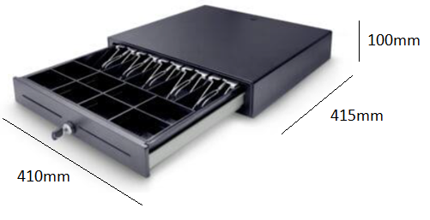
Cash Drawer
PS-410C
Dimension
Without Feet |  | 410Wx415Dx100H (mm)
With Feet |  | 410Wx415Dx110H (mm)
Features
Classic Cash Drawer with Two Media Slots
Thick Steel Housing with Wear-resistant Plastic Rollers & Steel Slide
Scratch Resistant Textured with Powder Coat
Rigid Large Spring with Smooth Push
Removable Money Tray Coin Case
4B8C / 5B8C : Bill (adjustable) Coin (removable)
Emergency Release Lever on the Chassis of Drawer
Cash Drawer Status Micro-switch
3-Position Key Lock with 100 Key Combinations
12V / 24V for RJ-11/RJ-12 Receipt Printer Interface
1 Millions Cycles Durability

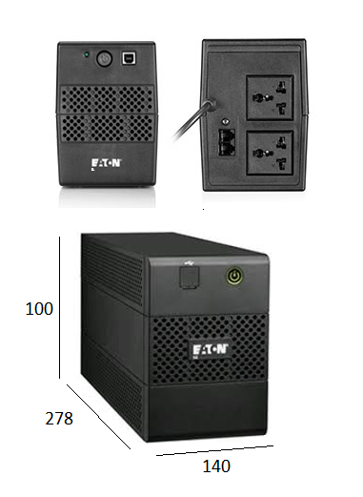
UPS
5L 650 (ASE)
Dimensions (H x W x D, mm) |  | 100 x 140 x 278 (mm)
Rating (VA/Watts) |  | 650VA/360W
Weight (kg) |  | 4.3
Electrical Input
Input Voltage Without Using Batteries |  | 160-290V
Operating Frequency |  | 50Hz
Connection |  | (1) BS
Electrical Output
Voltages |  | 230V
Output Receptacles |  | (2) UNIversal

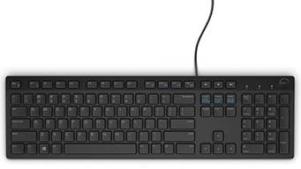
Standard Keyboard
Overall Dimensions (W X D X H) |  | 442 x 127 x 24 mm

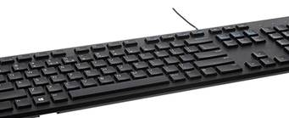

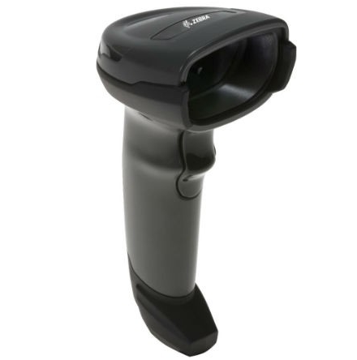
SYMBOL DS4308 HANDHELD SCANNER
Dimensions (H x W x D, mm) |  | 1650 x 670 x 980 mm
Weight (kg) |  | 162g

C. POS Op Permission
POS Operator Permissions
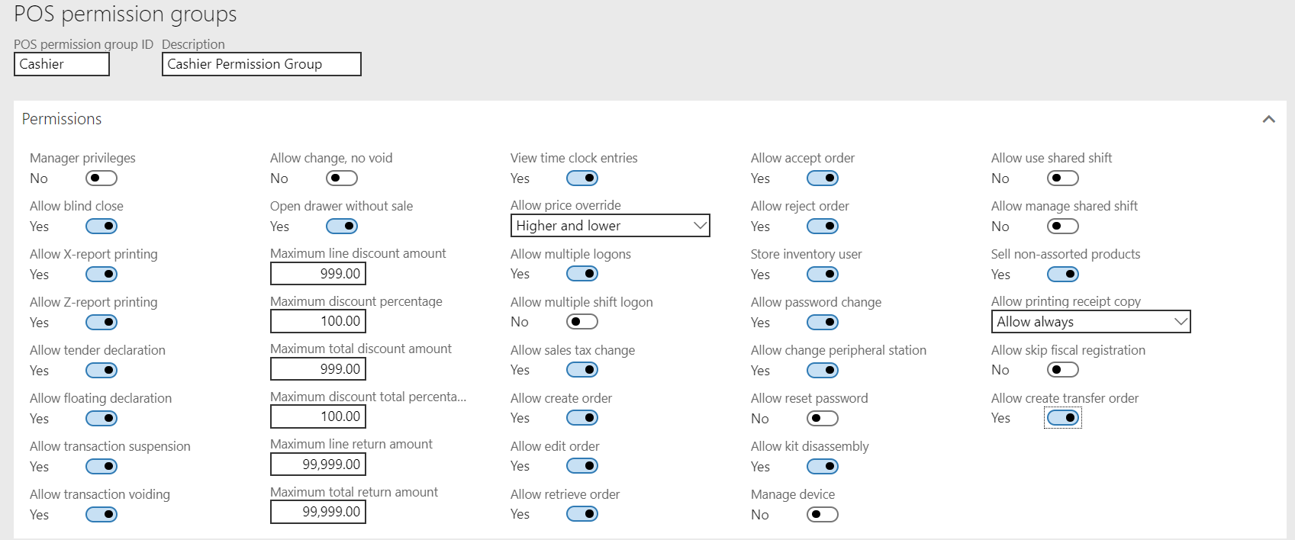

< Back to form

Field | Description | Cashier | Manager
Manager privileges | Select this check box to grant managerial privileges to the employee who is assigned to the permission group. | No | Yes
Allow blind close | Select this check box to allow the employee who is assigned to the permission group to perform a blind close. | Yes | Yes
Allow X-report printing | Select this check box to allow the employee who is assigned to the permission group to print X reports. | Yes | Yes
Allow Z-report printing | Select this check box to allow the employee who is assigned to the permission group to print Z reports. | Yes | Yes
Allow tender declaration | Select this check box to allow the employee who is assigned to the permission group to perform tender declarations. | Yes | Yes
Allow floating declaration | Select this check box to allow the employee who is assigned to the permission group to perform floating declarations. | Yes | Yes
Allow transaction suspension | Select this check box to allow the employee who is assigned to the permission group to suspend transactions. | Yes | Yes
Allow transaction voiding | Select this check box to allow the employee who is assigned to the permission group to void transactions. | Yes | Yes
Allow change, no void | Select this check box to allow the employee who is assigned to the permission group to change transactions but not void them. | No | No
Open drawer without sale | Select this check box to allow the employee who is assigned to the permission group to open the cash drawer without performing a sales transaction. | Yes | Yes
Maximum line discount amount | Type the maximum discount amount that the employee who is assigned to the permission group can apply to individual line items. | 999.00 | 99,999.00
Maximum discount percentage | Type the maximum discount percentage that the employee who is assigned to the permission group can apply to individual line items. | 100.00 | 100.00
Maximum total discount amount | Type the maximum discount amount that the employee who is assigned to the permission group can apply to transaction totals. | 999.00 | 99,999.00
Maximum discount total percentage | Type the maximum discount percentage that the employee who is assigned to the permission group can apply to transaction totals. | 100.00 | 100.00
Maximum line return amount | Of the amount for individual line items, type the maximum amount that the employee who is assigned to the permission group can accept for return. | 99,999.00 | 999,999,999.00
Maximum total return amount | Of the total amount for a transaction, type the maximum amount that the employee who is assigned to the permission group can accept for return. | 99,999.00 | 999,999,999.00
View time clock entries | Select this check box to allow the employee who is assigned to the permission group to view time clock entries | Yes | Yes
Allow price override | Select the type of price override that the employee who is assigned to the permission group can perform. | Higher and lower | Higher and lower

 | Higher and lower – The employee can override prices, and set a higher or lower price.
 | Higher only – The employee can override prices but can set only a higher price.
 | Lower only – The employee can override prices but can set only a lower price.
 | None allowed – The employee cannot override prices.

Field | Description | Cashier | Manager
Allow multiple logons | Select this check box to allow the employee who is assigned to the permission group to log on to multiple registers. | Yes | Yes
Allow multiple shift logon | Select this check box to allow the employee who is assigned to the permission group to log on to multiple shifts. | No | Yes
Allow sales tax change | Select this check box to allow the employee who is assigned to the permission group to change the sales tax that is applied to transactions. | Yes | Yes
Allow create order | Select this check box to allow the employee who is assigned to the permission group to create quotations and sales orders. | Yes | Yes
Allow edit order | Select this check box to allow the employee who is assigned to the permission group to modify quotations and sales orders. | Yes | Yes
Allow retrieve order | Select this check box to allow the employee who is assigned to the permission group to retrieve quotations and sales orders. | Yes | Yes
Allow accept order | Select this check box to allow the employee who is assigned to the permission group to accept orders. | Yes | Yes
Allow reject order | Select this check box to allow the employee who is assigned to the permission group to reject orders. | Yes | Yes
Store inventory user | Select this check box to allow the employee who is assigned to the permission group to perform stock counts, and receive and pick inventory. | Yes | Yes
Allow password change | Select this check box to allow the employee who is assigned to the permission group to change his or her password. | Yes | Yes
Allow change peripheral station | Select this check box to allow the employee who is assigned to the permission group to select a hardware station, and then pair it with a device. | Yes | Yes
Allow reset password | Select this check box to allow the employee who is assigned to the permission group to reset another employee's password by using a temporary password. | No | Yes
Allow kit disassembly | Select this check box to allow the employee who is assigned to the permission group to disassemble a product kit at the register to sell the individual components. | Yes | Yes
Manage device | Select this check box to allow the employee who is assigned to the permission group to activate and inactivate point-of-sale (POS) devices at stores. | No | No
Allow use shared shift | Select this check box to allow the employee who is assigned to the permission group to allow to use shared shift. | No | Yes
Allow manage shared shift | Select this check box to allow the employee who is assigned to the permission group to allow to manage shared shift. | No | Yes
Sell non-assorted products | Select this check box to allow the employee who is assigned to the permission group to allow to sell non-assorted products. | Yes | Yes
Allow printing receipt copy | Select the type of printing receipt copy that the employee who is assigned to the permission group can perform. - Allow always - Allow only once - Allow only once, and only if HQ DB is available - Never | Allow always | Allow always
Allow create transfer order | Select this check box to allow the employee who is assigned to the permission group to create transfer order. | Yes | Yes

